Outputs
MODEL OUTPUTS

Travel Time Results |  |  |  | Postcode Sector | MIU Attendances | Results from Additional Exercise on Task 11
 | Base Case Scenario | What-If Analysis | Gain / Loss | TR21 0 | 16 | Second MIU Closure | Average Travel Time Gain / Loss | Largest Single Gain in Attendances
Weighted Average Travel Time (mins) | 0.0098283565 | 0.0118119985 | 0.001983642 | TR23 0 | 13 | Camborne | 4 | 78
95th percentile travel time | 0.016620081 | 0.0238959057 | 0.0072758247 | TR6 0 | 13 | Falmouth | 2 | 59
 |  |  |  | TR22 0 | 12 | Newquay | 2 | 57
Displacement of Attendances | Number of attendances in : |  |  | TR17 0 | 11 | St Mary's | 8 | 122
 | Base Case Scenario | What-If Analysis | Gain / Loss | TR5 0 | 11
Camborne and Redruth Community Hospital | 86 | 145 | 59 | TR24 0 | 9 | Optimal Location for MIU
Falmouth Hospital | 33 | 0 | -33 | TR20 8 | 9 | Potential Location | Average Travel Time
Helston Community Hospital | 28 | 0 | -28 | TR26 1 | 9 | Camborne | 25
Newquay Hospital | 45 | 45 | 0 | TR12 7 | 8 | Falmouth | 35
St Mary's Community Hospital | 108 | 110 | 2 | TR27 4 | 8 | Helston | 30
 |  |  |  | TR10 8 | 8 | Newquay | 38
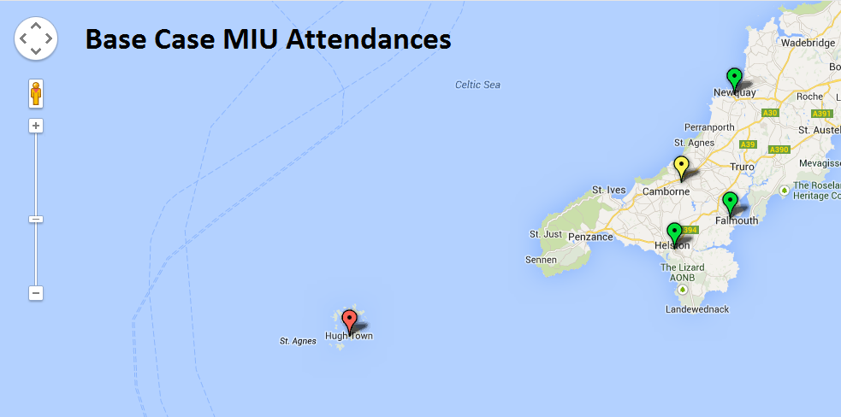
 |  |  |  | TR8 5 | 8 | St Mary's | 32
 |  |  |  | TR25 0 | 7
 |  |  |  | TR10 9 | 7
 |  |  |  | TR1 1 | 7
 |  |  |  | TR9 6 | 7
 |  |  |  | TR26 2 | 6
 |  |  |  | TR12 6 | 6
 |  |  |  | TR11 5 | 6
 |  |  |  | TR16 5 | 6
 |  |  |  | TR19 7 | 5
 |  |  |  | TR18 2 | 5
 |  |  |  | TR14 8 | 5
 |  |  |  | TR15 3 | 5
 |  |  |  | TR4 8 | 5
 |  |  |  | TR3 7 | 5
 |  |  |  | TR3 6 | 5
 |  |  |  | TR8 4 | 5
 |  |  |  | TR18 3 | 4
 |  |  |  | TR27 6 | 4
 |  |  |  | TR13 8 | 4
 |  |  |  | TR16 4 | 4
 |  |  |  | TR15 2 | 4
 |  |  |  | TR15 1 | 4
 |  |  |  | TR7 3 | 4
 |  |  |  | TR26 3 | 3
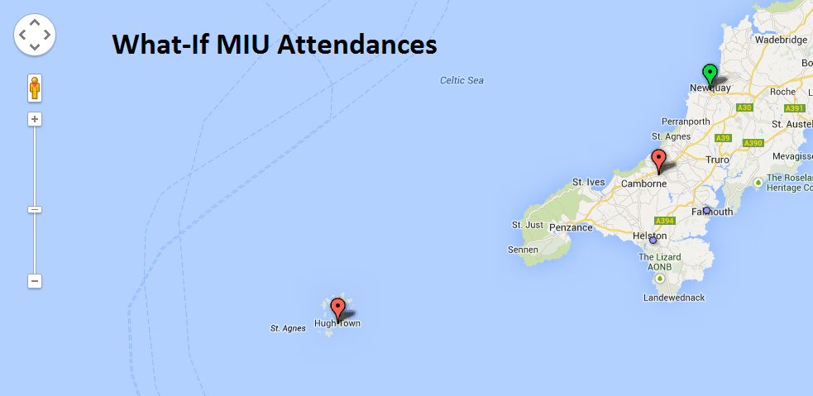
 |  |  |  | TR13 9 | 3
 |  |  |  | TR11 2 | 3
 |  |  |  | TR11 3 | 3
 |  |  |  | TR4 9 | 3
 |  |  |  | TR19 6 | 2
 |  |  |  | TR18 4 | 2
 |  |  |  | TR20 9 | 2
 |  |  |  | TR27 5 | 2
 |  |  |  | TR14 0 | 2
 |  |  |  | TR14 7 | 2
 |  |  |  | TR14 9 | 2
 |  |  |  | TR1 3 | 2
 |  |  |  | TR1 2 | 2
 |  |  |  | TR7 1 | 2
 |  |  |  | TR7 2 | 2
 |  |  |  | TR2 4 | 2
 |  |  |  | TR2 5 | 2
 |  |  |  | TR18 5 | 1
 |  |  |  | TR13 0 | 1
 |  |  |  | TR16 6 | 1
 |  |  |  | TR11 4 | 1

